12V140-1,3(REV 5)
PT SAPTAINDRA SEJATI
NAROGONG REBUILD CENTER

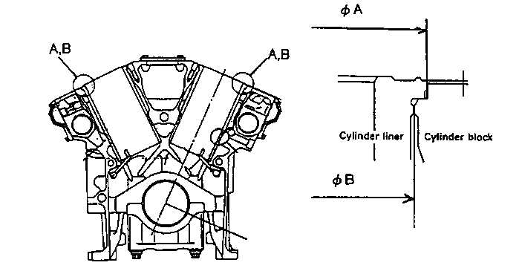
H,I
H
MEASURING CYLINDER BLOCK
INSPECTION CHECKSHEET

H,I
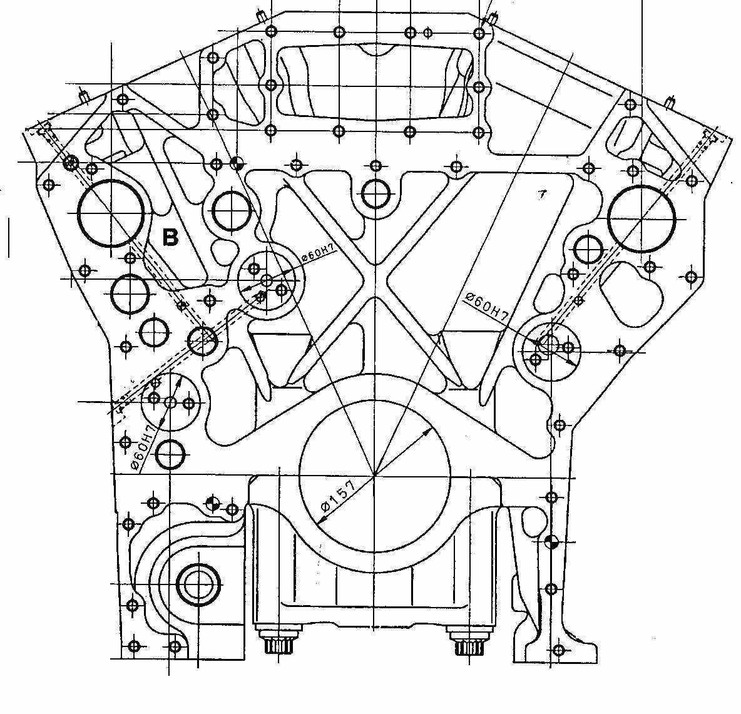
 | JOB NUMBER |  |  |  |  |  |  |  |  |  |  | PART NAME |  |  |  |  |  | CYLINDER BLOCK |  |  |  |  |  | DOCUMENT NO. |  |  |  |  | RC/QA/EG/018/R05
 | ENGINE MODEL |  |  |  |  |  | SA12V140 - 1/3 |  |  |  |  | PART NUMBER |  |  |  |  |  |  |  |  |  |  |  | PUBL. DATE |  |  |  |  | 15-05-2018
 | ENGINE SER.NO. |  |  |  |  |  |  |  |  |  |  | START.DATE / TIME |  |  |  |  |  |  |  |  |  |  |  | REVISION NO. |  |  |  |  | 05
 | MACHINE MODEL |  |  |  |  |  |  |  |  |  |  | FINISH DATE / TIME |  |  |  |  |  |  |  |  |  |  |  | PAGE
I
C
C,D
A
B
C,D
D
C
H
G
I
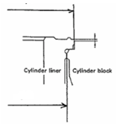
 | SKETCH DRAWING |  |  |  |  |  |  |  |  |  |  |  |  |  |  | MECHANIC NAME |  |  |  |  |  | Cyl. Block Inspection
 |  |  |  |  |  |  |  |  |  |  |  |  |  |  |  |  |  |  |  |  |  | Cyl. Block assembly
 |  |  |  |  |  |  |  |  |  |  |  |  |  |  |  | Standard Size |  |  |  |  |  |  |  |  | Unit : mm
 |  |  |  |  |  |  |  |  |  |  |  |  |  |  |  | DESCRIPTION |  |  |  |  |  |  |  |  |  | STANDARD SIZE
 |  |  |  |  |  |  |  |  |  |  |  |  |  |  |  | A |  | MAIN BEARING BORE |  |  |  |  |  |  |  | 157.000 ~ 157.025
E
 |  |  |  |  |  |  |  |  |  |  |  |  |  |  |  | B |  | CYLINDER BLOCK HEIGHT |  |  |  |  |  |  |  | 471.460 ~ 471.540
 |  |  |  |  |  |  |  |  |  |  |  |  |  |  |  |  |  | USE OVER SIZE GASKET |  |  |  |  |  |  |  | 471.062 ~ 471.450
C
 |  |  |  |  |  |  |  |  |  |  |  |  |  |  |  | C |  | COUNTER BORE DEPTH |  |  |  |  |  |  |  | 11.00 ~ 11.05
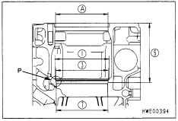
 |  |  |  |  |  |  |  |  |  |  |  |  |  |  |  | D |  | INSIDE DIAMETER (AT FLANGE SEAT) |  |  |  |  |  |  |  | 170.200 ~ 170.263
 |  |  |  |  |  |  |  |  |  |  |  |  |  |  |  | E |  | INSIDE DIAMETER (ATCOUNTERBORE) |  |  |  |  |  |  |  | 161.170 ~ 161.230
 |  |  |  |  |  |  |  |  |  |  |  |  |  |  |  | F |  | INSIDE DIAMETER (AT O-RING LAND) |  |  |  |  |  |  |  | VISUAL CHECK
H, I
G
 |  |  |  |  |  |  |  |  |  |  |  |  |  |  |  | G,H,I |  | TIMING GEAR HOLE |  |  |  |  |  |  |  | 60,000 ~ 60.030
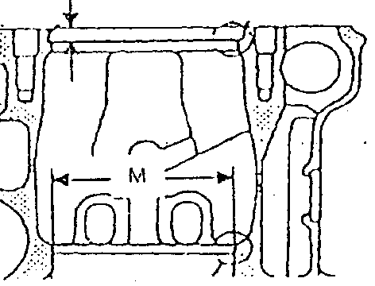
F
D
F
 |  |  |  |  |  |  |  |  |  |  |  |  |  |  |  | TIGHTENING TORQUE OF MAIN BEARING CAP |  |  |  |  |  |  |  |  | 1ST step = |  |  |  |  | 27.5 ~ 30.5 Kgm
 |  |  |  |  |  |  |  |  |  |  |  |  |  |  |  |  |  |  |  |  |  |  |  |  | 2ND step = |  |  |  |  | 57.0 ~ 59.0 Kgm
 |  |  |  |  |  |  |  |  |  |  |  |  |  |  |  |  |  |  |  |  |  |  |  |  | 3RD step = |  |  |  |  | 90° ~ 120°
E
B
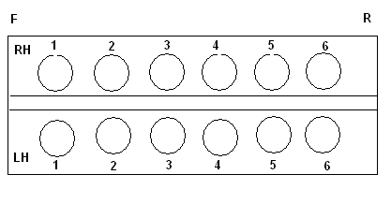
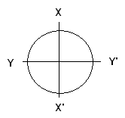
 |  |  |  |  |  |  |  |  |  |  |  |  |  |  |  | VISUAL CHECK |  |  |  |  |  |  |  |  | OK |  |  |  |  | Not OK
 |  |  |  |  |  |  |  |  |  |  |  |  |  |  |  | CRACK HAS BEEN CHECKED
A
 |  |  |  |  |  |  |  |  |  |  |  |  |  |  |  | MANHOURS UTILIZATION
 |  |  |  |  |  |  |  |  |  |  |  |  |  |  |  |  |  |  |  |  | START |  |  |  | FINISH |  |  |  |  | MAN HOURS
 |  |  |  |  |  |  |  |  |  |  |  |  |  |  |  | Measuring Process
 |  |  |  |  |  |  |  |  |  |  |  |  |  |  |  | TOTAL

 | MAIN BEARING BORE
 | A |  | Main Bore No. |  |  |  | X - X' |  |  |  |  |  |  |  |  | Y - Y' |  |  |  |  |  |  |  |  | Z - Z'
 |  |  | 1 |  | A
 |  |  |  |  | B
 |  |  | 2 |  | A
 |  |  |  |  | B
 |  |  | 3 |  | A
 |  |  |  |  | B
 |  |  | 4 |  | A
 |  |  |  |  | B
 |  |  | 5 |  | A
 |  |  |  |  | B
 |  |  | 6 |  | A
 |  |  |  |  | B
 |  |  | 7 |  | A
 |  |  |  |  | B
 | COUNTER BORE DEPHT
 | C |  | BEFORE MACHINING
 |  |  | R.H Bank Front |  |  |  | Cyl |  | Mech |  |  |  |  |  |  |  |  | L.H Bank Front |  |  |  | Cyl |  | Mech
 |  |  |  |  |  |  |  |  | X |  | X' |  |  | Y |  | Y' |  |  |  |  |  |  |  | X |  |  |  | Y |  |  | Y' |  | Y'
 |  |  |  |  |  |  | 1 |  |  |  |  |  |  |  |  |  |  |  |  |  |  | 1
 |  |  |  |  |  |  | 2 |  |  |  |  |  |  |  |  |  |  |  |  |  |  | 2
 |  |  |  |  |  |  | 3 |  |  |  |  |  |  |  |  |  |  |  |  |  |  | 3
 |  |  |  |  |  |  | 4 |  |  |  |  |  |  |  |  |  |  |  |  |  |  | 4
 |  |  |  |  |  |  | 5 |  |  |  |  |  |  |  |  |  |  |  |  |  |  | 5
 |  |  |  |  |  |  | 6 |  |  |  |  |  |  |  |  |  |  |  |  |  |  | 6

 | C |  | COUNTER BORE DEPTH |  |  |  |  |  |  | 11.00 ~ 11.05
 | D |  | INSIDE DIAMETER (AT FLANGE SEAT) |  |  |  |  |  |  | 170.200 ~ 170.263

 | C |  | AFTER MACHINING
 |  |  | R.H Bank |  |  |  | Cyl | X |  |  |  |  |  |  | X' |  |  |  |  |  | Y |  |  |  |  |  |  |  | Y'
 |  |  |  |  |  |  |  | Mech |  | QA |  |  | Spv |  | Mech |  | QA |  | Spv |  | Mech |  | QA |  |  | Spv |  |  | Mech |  |  | QA |  | Spv
 |  |  |  |  |  |  | 1
 |  |  |  |  |  |  | 2
 |  |  |  |  |  |  | 3
 |  |  |  |  |  |  | 4
 |  |  |  |  |  |  | 5
 |  |  |  |  |  |  | 6
 |  |  | L.H Bank |  |  |  | Cyl | X |  |  |  |  |  |  | X' |  |  |  |  |  | Y |  |  |  |  |  |  |  | Y'
 |  |  |  |  |  |  |  | Mech |  | QA |  |  | Spv |  | Mech |  | QA |  | Spv |  | Mech |  | QA |  |  | Spv |  |  | Mech |  |  | QA |  | Spv
 |  |  |  |  |  |  | 1
 |  |  |  |  |  |  | 2
 |  |  |  |  |  |  | 3
 |  |  |  |  |  |  | 4
 |  |  |  |  |  |  | 5
 |  |  |  |  |  |  | 6
 | INSIDE DIAMETER(AT FLANGE SEAT)
 | D |  | R.H Bank |  |  |  | Cyl | X - X' |  |  |  |  |  |  |  |  |  |  |  |  |  | Cyl | Y - Y'
 |  |  |  |  |  |  |  | CHECK |  |  |  |  |  |  |  |  |  |  |  |  |  |  | CHECK
 |  |  |  |  |  |  |  | MEC |  | QA/GL |  |  | SPV |  |  |  |  |  |  |  |  |  | MEC |  |  | QA/GL |  |  | SPV
 |  |  |  |  |  |  | 1 |  |  |  |  |  |  |  |  |  |  |  |  |  |  | 1
 |  |  |  |  |  |  | 2 |  |  |  |  |  |  |  |  |  |  |  |  |  |  | 2
 |  |  |  |  |  |  | 3 |  |  |  |  |  |  |  |  |  |  |  |  |  |  | 3
 |  |  |  |  |  |  | 4 |  |  |  |  |  |  |  |  |  |  |  |  |  |  | 4
 |  |  |  |  |  |  | 5 |  |  |  |  |  |  |  |  |  |  |  |  |  |  | 5
 |  |  |  |  |  |  | 6 |  |  |  |  |  |  |  |  |  |  |  |  |  |  | 6
 |  |  | L.H Bank |  |  |  | Cyl | X - X' |  |  |  |  |  |  |  |  |  |  |  |  |  | Cyl | Y - Y'
 |  |  |  |  |  |  |  | CHECK |  |  |  |  |  |  |  |  |  |  |  |  |  |  | CHECK
 |  |  |  |  |  |  |  | MEC |  | QA/GL |  |  | SPV |  |  |  |  |  |  |  |  |  | MEC |  |  | QA/GL |  |  | SPV
 |  |  |  |  |  |  | 1 |  |  |  |  |  |  |  |  |  |  |  |  |  |  | 1
 |  |  |  |  |  |  | 2 |  |  |  |  |  |  |  |  |  |  |  |  |  |  | 2
 |  |  |  |  |  |  | 3 |  |  |  |  |  |  |  |  |  |  |  |  |  |  | 3
 |  |  |  |  |  |  | 4 |  |  |  |  |  |  |  |  |  |  |  |  |  |  | 4
 |  |  |  |  |  |  | 5 |  |  |  |  |  |  |  |  |  |  |  |  |  |  | 5
 |  |  |  |  |  |  | 6 |  |  |  |  |  |  |  |  |  |  |  |  |  |  | 6

 | TIMING GEAR HOLE(VISUAL CHECK)
 | G,H,I |  |  |  |  | TIMING GEAR HOLES
 |  |  |  |  |  | X -X |  |  |  |  |  |  |  |  |  |  |  |  |  | Y - Y
 |  |  |  |  |  | Mac |  |  |  | QA/GL |  |  |  |  | Spv |  |  |  |  | Mac |  |  |  |  | QA/GL |  |  |  |  |  | Spv

 |  | E |  | INSIDE DIAMETER (AT COUNTERBORE) |  |  |  |  |  | 161.170 ~ 161.230
 |  | F |  | INSIDE DIAMETER (AT O-RING LAND) |  |  |  |  |  | VISUAL CHECK

 | INSIDE DIAMETER(AT COUNTERBORE)
 | E |  | RH |  |  |  | Cyl | X - X' |  |  |  |  |  |  |  |  |  |  |  | Cyl |  | Y - Y'
 |  |  |  |  |  |  |  | CHECK |  |  |  |  |  |  |  |  |  |  |  |  |  | CHECK
 |  |  |  |  |  |  |  | MEC |  |  | QA/GL |  |  |  |  | SPV |  |  |  |  |  | MEC |  |  |  | QA/GL |  |  |  |  | SPV
 |  |  |  |  |  |  | 1 |  |  |  |  |  |  |  |  |  |  |  |  | 1
 |  |  |  |  |  |  | 2 |  |  |  |  |  |  |  |  |  |  |  |  | 2
 |  |  |  |  |  |  | 3 |  |  |  |  |  |  |  |  |  |  |  |  | 3
 |  |  |  |  |  |  | 4 |  |  |  |  |  |  |  |  |  |  |  |  | 4
 |  |  |  |  |  |  | 5 |  |  |  |  |  |  |  |  |  |  |  |  | 5
 |  |  |  |  |  |  | 6 |  |  |  |  |  |  |  |  |  |  |  |  | 6
 |  |  | LH |  |  |  | Cyl | X - X' |  |  |  |  |  |  |  |  |  |  |  | Cyl |  | Y - Y'
 |  |  |  |  |  |  |  | CHECK |  |  |  |  |  |  |  |  |  |  |  |  |  | CHECK
 |  |  |  |  |  |  |  | MEC |  |  | QA/GL |  |  |  |  | SPV |  |  |  |  |  | MEC |  |  |  | QA/GL |  |  |  |  | SPV
 |  |  |  |  |  |  | 1 |  |  |  |  |  |  |  |  |  |  |  |  | 1
 |  |  |  |  |  |  | 2 |  |  |  |  |  |  |  |  |  |  |  |  | 2
 |  |  |  |  |  |  | 3 |  |  |  |  |  |  |  |  |  |  |  |  | 3
 |  |  |  |  |  |  | 4 |  |  |  |  |  |  |  |  |  |  |  |  | 4
 |  |  |  |  |  |  | 5 |  |  |  |  |  |  |  |  |  |  |  |  | 5
 |  |  |  |  |  |  | 6 |  |  |  |  |  |  |  |  |  |  |  |  | 6

 | INSIDE DIAMETER (AT O-RING LAND)
 | F |  | RH | Cyl |  | VISUAL CHECK |  |  |  |  |  |  |  |  |  |  | LH |  | Cyl |  |  | VISUAL CHECK
 |  |  |  |  |  | CHECK |  |  |  |  |  |  |  |  |  |  |  |  |  |  |  | CHECK
 |  |  |  |  |  | MEC |  | QA/GL |  | SPV |  |  |  |  |  |  |  |  |  |  |  | MEC |  | QA/GL |  |  | SPV
 |  |  |  | 1 |  |  |  |  |  |  |  |  |  |  |  |  |  |  | 1
 |  |  |  | 2 |  |  |  |  |  |  |  |  |  |  |  |  |  |  | 2
 |  |  |  | 3 |  |  |  |  |  |  |  |  |  |  |  |  |  |  | 3
 |  |  |  | 4 |  |  |  |  |  |  |  |  |  |  |  |  |  |  | 4
 |  |  |  | 5 |  |  |  |  |  |  |  |  |  |  |  |  |  |  | 5
 |  |  |  | 6 |  |  |  |  |  |  |  |  |  |  |  |  |  |  | 6

 | THICKNESS BETWEEN BLOCK AND STRAIGHT EDGE
 | RH |  |  | Cyl |  | CHECK |  |  |  |  |  |  |  |  |  |  | LH |  |  | Cyl |  | CHECK
 |  |  |  |  |  | CHECK |  |  |  |  |  |  |  |  |  |  |  |  |  |  |  | CHECK
 |  |  |  |  |  | MEC |  | QA/GL |  | SPV |  |  |  |  |  |  |  |  |  |  |  | MEC |  | QA/GL |  |  | SPV
 |  |  |  | 1 |  |  |  |  |  |  |  |  |  |  |  |  |  |  |  | 1
 |  |  |  | 2 |  |  |  |  |  |  |  |  |  |  |  |  |  |  |  | 2
 |  |  |  | 3 |  |  |  |  |  |  |  |  |  |  |  |  |  |  |  | 3
 |  |  |  | 4 |  |  |  |  |  |  |  |  |  |  |  |  |  |  |  | 4
 |  |  |  | 5 |  |  |  |  |  |  |  |  |  |  |  |  |  |  |  | 5
 |  |  |  | 6 |  |  |  |  |  |  |  |  |  |  |  |  |  |  |  | 6

 | INSPECTION RESULT :

 |  |  | MEASURED |  |  |  |  |  |  |  |  |  |  |  |  |  |  | INSPECTION & APPROVAL BY :

 |  |  |  | MECHANIC |  |  |  |  |  |  |  |  |  |  |  | QUALITY ASSURANCE (QA) |  |  |  |  |  |  |  |  |  |  | GL/SPV PRODUCTION

